Assessement
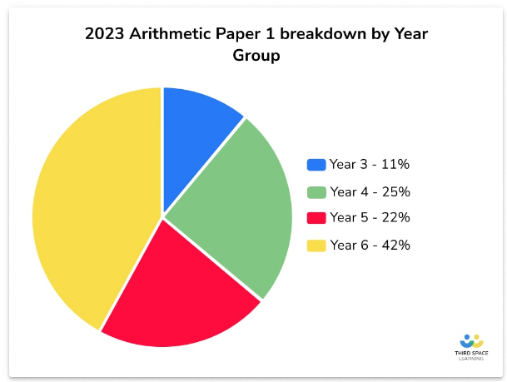
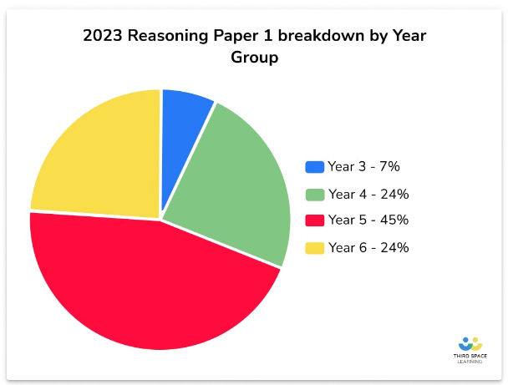
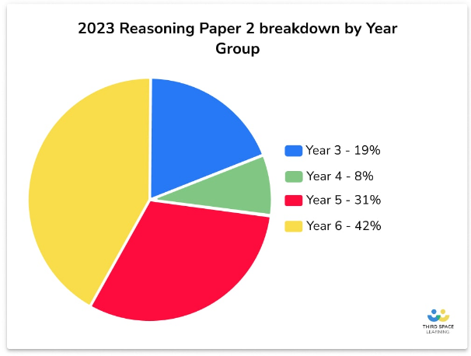
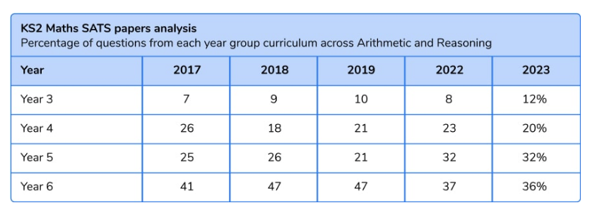
Name of assessment | Pros | Cons
Y1 Autumn | Links to learning taught that term Range of appropriate representations
Y1 Spring | Similar layout and style of questions | Not iterative - tests on Spring term knowledge
Y1 Summer | Both more iterative
Y2 Autumn | Appropriate questioning styles | Coverage doesn't link with current assessment point within trust (27th Nov) shape covered right up to end of December
Y2 Spring
Y2 Summer
Y3 Autumn | Appropriate questions with iterative aspects | one question (Q13) seemed challenging
Y3 Spring | Appropriate questions with iterative aspects
Y3 Summer | Appropriate questions with iterative aspects

